Sheet1
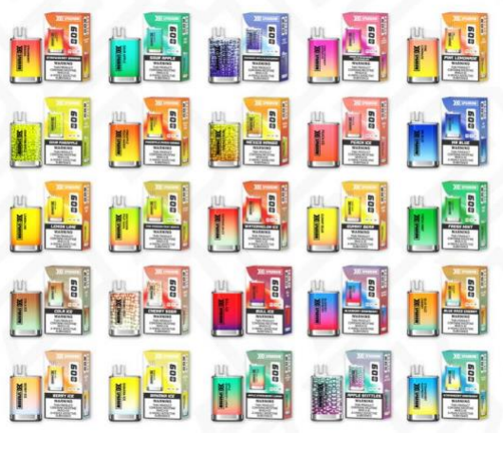
Sparrow Crystal Vapes 600 Puffs
Description | Quantity | Expiry
Watermelon On Ice | 2,880 | EXPIRY (JULY 2024)
Strawberry Rasperberry | 2,680 | EXPIRY (JULY 2024)
Strawberry Banana | 2,760 | EXPIRY (JULY 2024)
Sour Apple | 2,720 | EXPIRY (JULY 2024)
Sour Pinapple | 1,050 | EXPIRY (JULY 2024)
Rasp Apple Blackcurrant | 840 | EXPIRY (JULY 2024)
Prime Strawberry Watermelon | 2,730 | EXPIRY (JULY 2024)
Pink Lemonade | 2,900 | EXPIRY (JULY 2024)
Pinaaple peach mange | 2,910 | EXPIRY (JULY 2024)
peach ice | 2,890 | EXPIRY (JULY 2024)
mr blue | 2,850 | EXPIRY (JULY 2024)
mexico mango | 1,100 | EXPIRY (JULY 2024)
lemon and lime | 2,880 | EXPIRY (JULY 2024)
kiwi passion fruit guava | 2,770 | EXPIRY (JULY 2024)
gummy bear | 2,800 | EXPIRY (JULY 2024)
fresh mint | 2,900 | EXPIRY (JULY 2024)
cola ice | 2,820 | EXPIRY (JULY 2024)
cherry soda | 880 | EXPIRY (JULY 2024)
bull ice | 2,950 | EXPIRY (JULY 2024)
blue razz cherry | 2,600 | EXPIRY (JULY 2024)
berry ice | 2,840 | EXPIRY (JULY 2024)
banana ice | 2,860 | EXPIRY (JULY 2024)
apple strawberry lemon | 2,850 | EXPIRY (JULY 2024)
apple skittles | 850 | EXPIRY (JULY 2024)
 | 58,310

